DASHBOARD
 | WeFit DashBoard
Monthly Usage of Fitness Tracker by Users
 | Total Days
1503960366 | 31
1624580081 | 31
1644430081 | 30
1844505072 | 31
1927972279 | 31
2022484408 | 31
2026352035 | 31
2320127002 | 31
2347167796 | 18
2873212765 | 31
3372868164 | 20
3977333714 | 30
4020332650 | 31
4057192912 | 4
4319703577 | 31
4388161847 | 31
4445114986 | 31
4558609924 | 31
4702921684 | 31
5553957443 | 31
5577150313 | 30
6117666160 | 28
6290855005 | 29
6775888955 | 26
6962181067 | 31
7007744171 | 26
7086361926 | 31
8053475328 | 31
8253242879 | 19
8378563200 | 31
8583815059 | 31
8792009665 | 29
8877689391 | 31
1)-

User Engagement Level
 | Categories of Users
Active | 24
Light | 3
Moderate | 6
2)-

 |  | User Engagement Level | Count of Users
 |  | Active | 24
 |  | Light | 3
 |  | Moderate | 6

Pro vs. Intermediate vs. Beginner
3)-

 |  | Distribution of Users | Count of Users
 |  | Beginner | 13
 |  | Intermediate | 15
 |  | Pro | 5

Total Steps of each Unique ID
 | TotalSteps
1503960366 | 375619
1624580081 | 178061
1644430081 | 218489
1844505072 | 79982
1927972279 | 28400
2022484408 | 352490
2026352035 | 172573
2320127002 | 146223
2347167796 | 171354
2873212765 | 234229
3372868164 | 137233
3977333714 | 329537
4020332650 | 70284
4057192912 | 15352
4319703577 | 225334
4388161847 | 335232
4445114986 | 148693
4558609924 | 238239
4702921684 | 265734
5553957443 | 266990
5577150313 | 249133
6117666160 | 197308
6290855005 | 163837
6775888955 | 65512
6962181067 | 303639
7007744171 | 294409
7086361926 | 290525
8053475328 | 457662
8253242879 | 123161
8378563200 | 270249
8583815059 | 223154
8792009665 | 53758
8877689391 | 497241

4)-

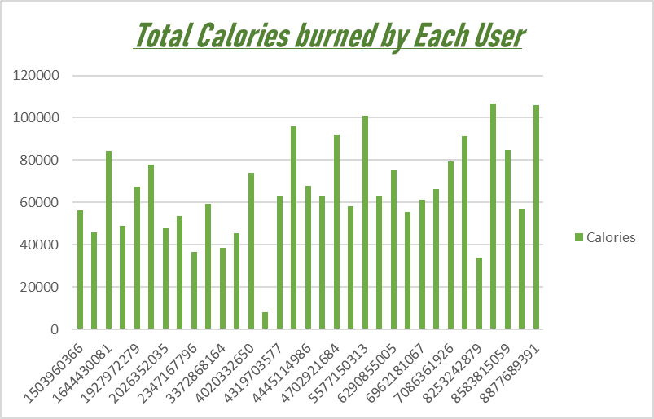
5)-

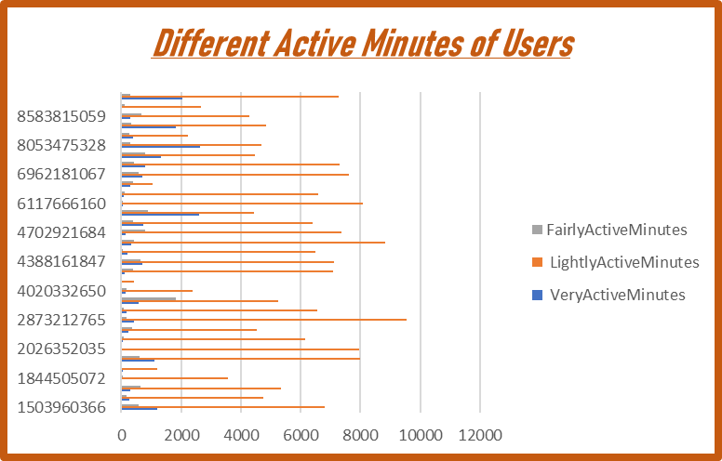
6)-

